ADO-200C
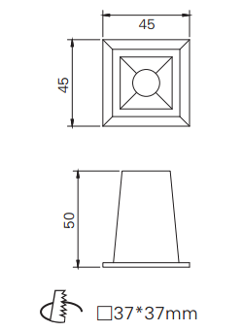
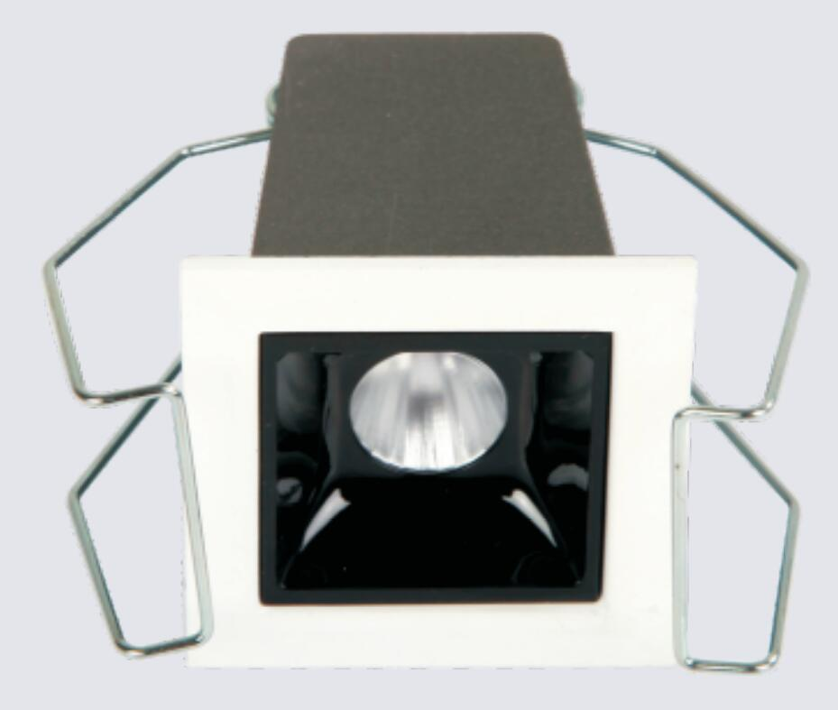
LIGHT&ESSENCE
LIGHTING SPECIFICATION
PRODUCT: | LED RECESSED LINEAR LIGHT
LOCATION: | INTERIOR
MODEL NO: | ADO-200C
LAMP TYPE: | LED 2W, 2700K/3000K/3500K/4000K
EA: | REMOTE LED DRIVER
SIZE: | W45*H50 mm
FINISH: | SILVER ANODISED/POWDER COATING
BEAM ANGLE: | 15°/30°/45°
CRI: | 90
INPUT VOLTAGE: | AC 220-240V
IP RATING: | IP44
ORIGIN: | CHINA
REMARK:

ADO-400C
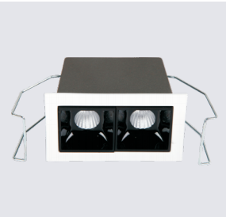
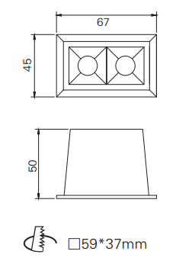
LIGHT&ESSENCE
LIGHTING SPECIFICATION
PRODUCT: | LED RECESSED LINEAR LIGHT
LOCATION: | INTERIOR
MODEL NO: | ADO-400C
LAMP TYPE: | LED 2*2W, 2700K/3000K/3500K/4000K
EA: | REMOTE LED DRIVER
SIZE: | L67*W45*H50 mm
FINISH: | SILVER ANODISED/POWDER COATING
BEAM ANGLE: | 15°/30°/45°
CRI: | 90
INPUT VOLTAGE: | AC 220-240V
IP RATING: | IP44
ORIGIN: | CHINA
REMARK:

ADO-1000C
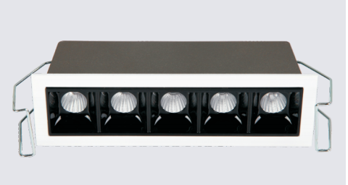
LIGHT&ESSENCE
LIGHTING SPECIFICATION
PRODUCT: | LED RECESSED LINEAR LIGHT
LOCATION: | INTERIOR
MODEL NO: | ADO-1000C
LAMP TYPE: | LED 5*2W, 2700K/3000K/3500K/4000K
EA: | REMOTE LED DRIVER
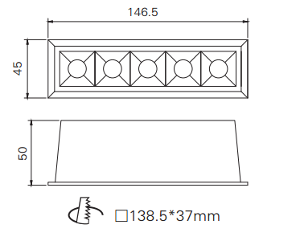
SIZE: | L146.5*W45*H50 mm
FINISH: | SILVER ANODISED/POWDER COATING
BEAM ANGLE: | 15°/30°/45°
CRI: | 90
INPUT VOLTAGE: | AC 220-240V
IP RATING: | IP44
ORIGIN: | CHINA
REMARK:

